country-customers
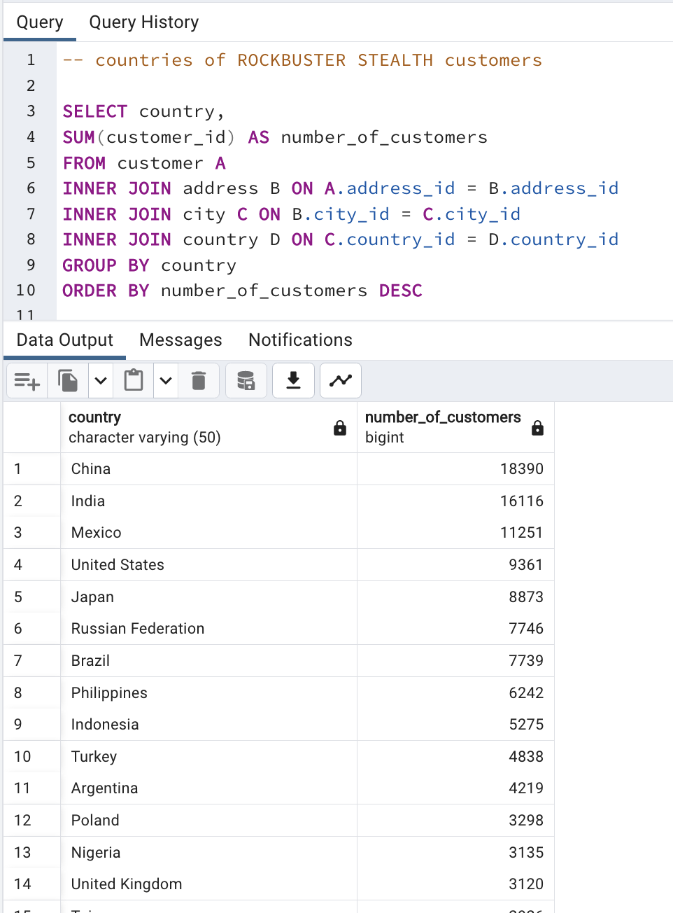
country | number_of_customers
China | 18390
India | 16116 | SELECT country,
Mexico | 11251 | SUM(customer_id) AS number_of_customers
United States | 9361 | FROM customer A
Japan | 8873 | INNER JOIN address B ON A.address_id = B.address_id
Russian Federation | 7746 | INNER JOIN city C ON B.city_id = C.city_id
Brazil | 7739 | INNER JOIN country D ON C.country_id = D.country_id
Philippines | 6242 | GROUP BY country
Indonesia | 5275 | ORDER BY number_of_customers DESC
Turkey | 4838
Argentina | 4219
Poland | 3298
Nigeria | 3135
United Kingdom | 3120
Taiwan | 2926
South Africa | 2816
Vietnam | 2586
Italy | 2567
Venezuela | 2248
Iran | 2163
Canada | 1974
Egypt | 1959
Ukraine | 1806
Spain | 1757
Germany | 1632
Peru | 1588
Colombia | 1572
Netherlands | 1551
Ecuador | 1345
South Korea | 1205
Yemen | 1196
Dominican Republic | 1113
Pakistan | 1083
Israel | 1056
Chile | 1024
Saudi Arabia | 949
Angola | 911
Tanzania | 891
Bolivia | 886
United Arab Emirates | 842
Switzerland | 814
Romania | 793
Mozambique | 787
Paraguay | 776
Congo, The Democratic Republic of the | 762
Bulgaria | 755
Cambodia | 744
Cameroon | 713
France | 703
Algeria | 686
Bangladesh | 682
Belarus | 671
Azerbaijan | 667
Kazakstan | 649
Puerto Rico | 642
Morocco | 605
Greece | 599
Austria | 598
Hungary | 592
Bahrain | 590
Gambia | 584
Iraq | 579
Yugoslavia | 560
Lithuania | 557
Kenya | 556
Chad | 535
Malaysia | 535
Thailand | 518
Nauru | 513
Oman | 507
Senegal | 456
Sudan | 445
Estonia | 444
Zambia | 438
Sri Lanka | 408
Virgin Islands, U.S. | 406
Ethiopia | 392
Anguilla | 381
Latvia | 370
Slovakia | 357
Tonga | 344
Tunisia | 335
Saint Vincent and the Grenadines | 326
Nepal | 321
American Samoa | 320
Faroe Islands | 317
Finland | 298
Hong Kong | 289
Czech Republic | 265
Myanmar | 260
Kuwait | 234
Afghanistan | 218
Greenland | 207
Turkmenistan | 200
Malawi | 166
North Korea | 157
Runion | 148
Tuvalu | 105
French Polynesia | 99
Brunei | 91
Madagascar | 81
Sweden | 66
French Guiana | 65
Liechtenstein | 57
Armenia | 41
Moldova | 38
Holy See (Vatican City State) | 26
New Zealand | 8

top 10 cities
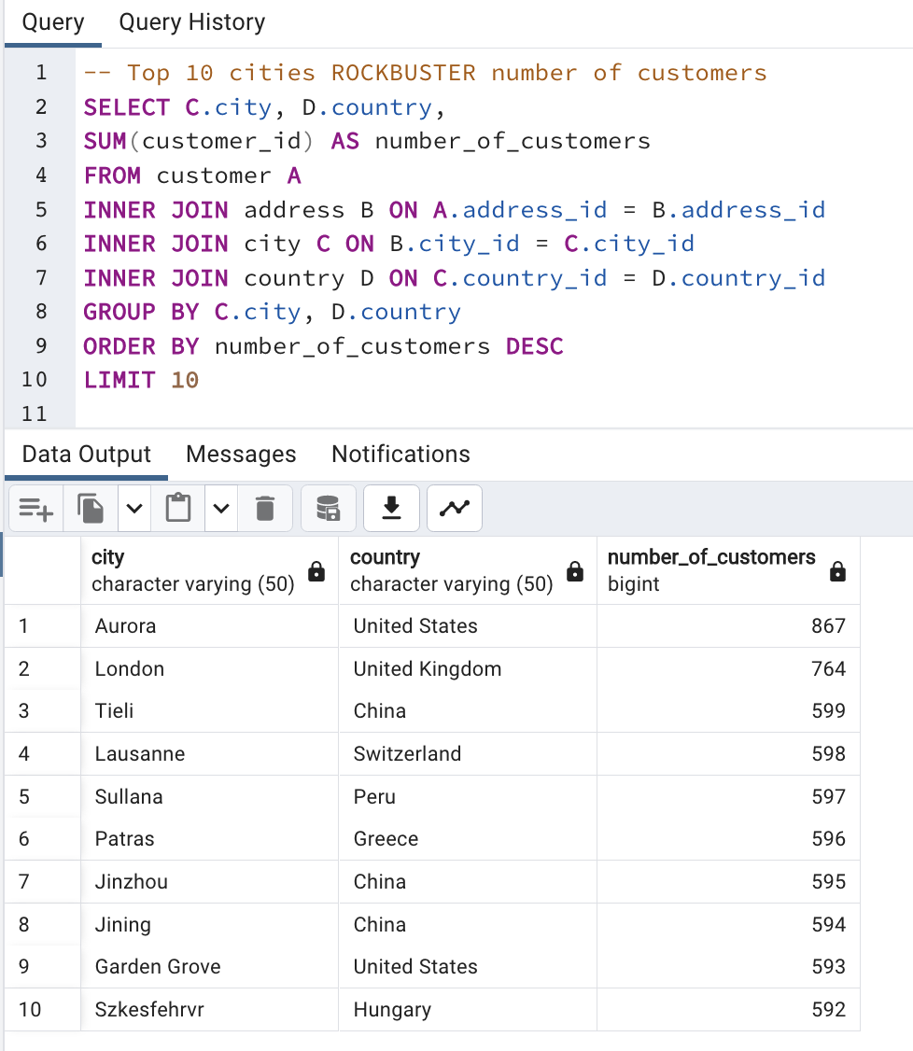
city | country | number_of_customers
Aurora | United States | 867 | -- Top 10 cities ROCKBUSTER number of customers
London | United Kingdom | 764 | SELECT C.city, D.country,
Tieli | China | 599 | SUM(customer_id) AS number_of_customers
Lausanne | Switzerland | 598 | FROM customer A
Sullana | Peru | 597 | INNER JOIN address B ON A.address_id = B.address_id
Patras | Greece | 596 | INNER JOIN city C ON B.city_id = C.city_id
Jinzhou | China | 595 | INNER JOIN country D ON C.country_id = D.country_id
Jining | China | 594 | GROUP BY C.city, D.country
Garden Grove | United States | 593 | ORDER BY number_of_customers DESC
Szkesfehrvr | Hungary | 592 | LIMIT 10

top 10 customers
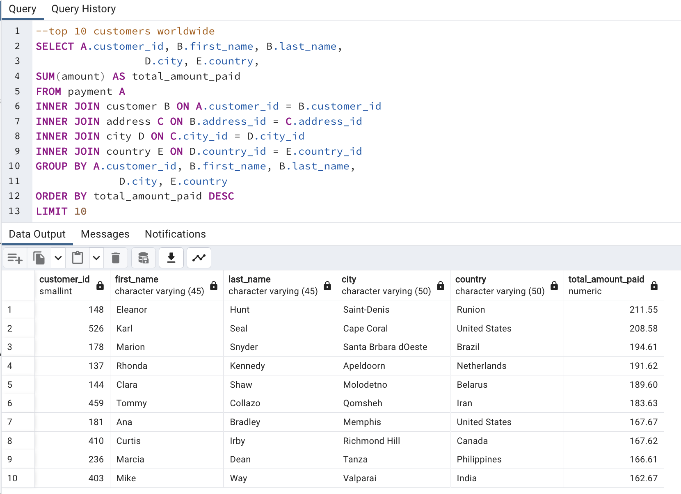
customer_id | name | city | country | total_amount_paid
148 | Eleanor Hunt | Saint-Denis | Runion | 211.55 | --top 10 customers
526 | Karl Seal | Cape Coral | United States | 208.58 | SELECT A.customer_id, B.first_name, B.last_name,
178 | Marion Snyder | Santa Brbara dOeste | Brazil | 194.61 |  |  | D.city, E.country,
137 | Rhonda Kennedy | Apeldoorn | Netherlands | 191.62 | SUM(amount) AS total_amount_paid
144 | Clara Shaw | Molodetno | Belarus | 189.6 | FROM payment A
459 | Tommy Collazo | Qomsheh | Iran | 183.63 | INNER JOIN customer B ON A.customer_id = B.customer_id
181 | Ana Bradley | Memphis | United States | 167.67 | INNER JOIN address C ON B.address_id = C.address_id
410 | Curtis Irby | Richmond Hill | Canada | 167.62 | INNER JOIN city D ON C.city_id = D.city_id
236 | Marcia Dean | Tanza | Philippines | 166.61 | INNER JOIN country E ON D.country_id = E.country_id
403 | Mike Way | Valparai | India | 162.67 | GROUP BY A.customer_id, B.first_name, B.last_name,
 |  |  |  |  |  | D.city, E.country
 |  |  |  |  | ORDER BY total_amount_paid DESC
 |  |  |  |  | LIMIT 10

top 10 films
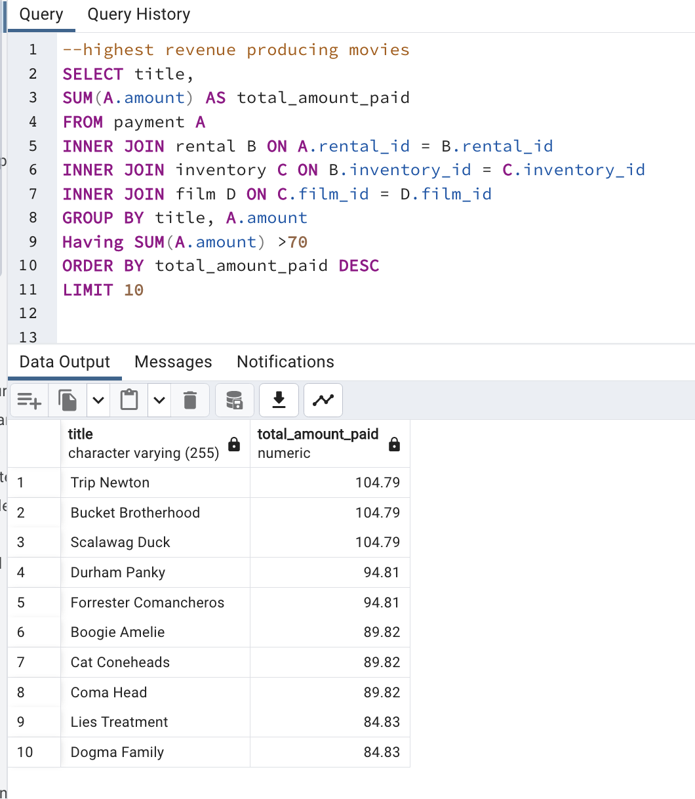
title | total_amount_paid
Trip Newton | 104.79 | --highest revenue producing movies
Bucket Brotherhood | 104.79 | SELECT title,
Scalawag Duck | 104.79 | SUM(A.amount) AS total_amount_paid
Durham Panky | 94.81 | FROM payment A
Forrester Comancheros | 94.81 | INNER JOIN rental B ON A.rental_id = B.rental_id
Boogie Amelie | 89.82 | INNER JOIN inventory C ON B.inventory_id = C.inventory_id
Cat Coneheads | 89.82 | INNER JOIN film D ON C.film_id = D.film_id
Coma Head | 89.82 | GROUP BY title, A.amount
Lies Treatment | 84.83 | HAVING SUM(A.amount) >70
Dogma Family | 84.83 | ORDER BY total_amount_paid DESC
 |  | Limit 10

bottom 10 films
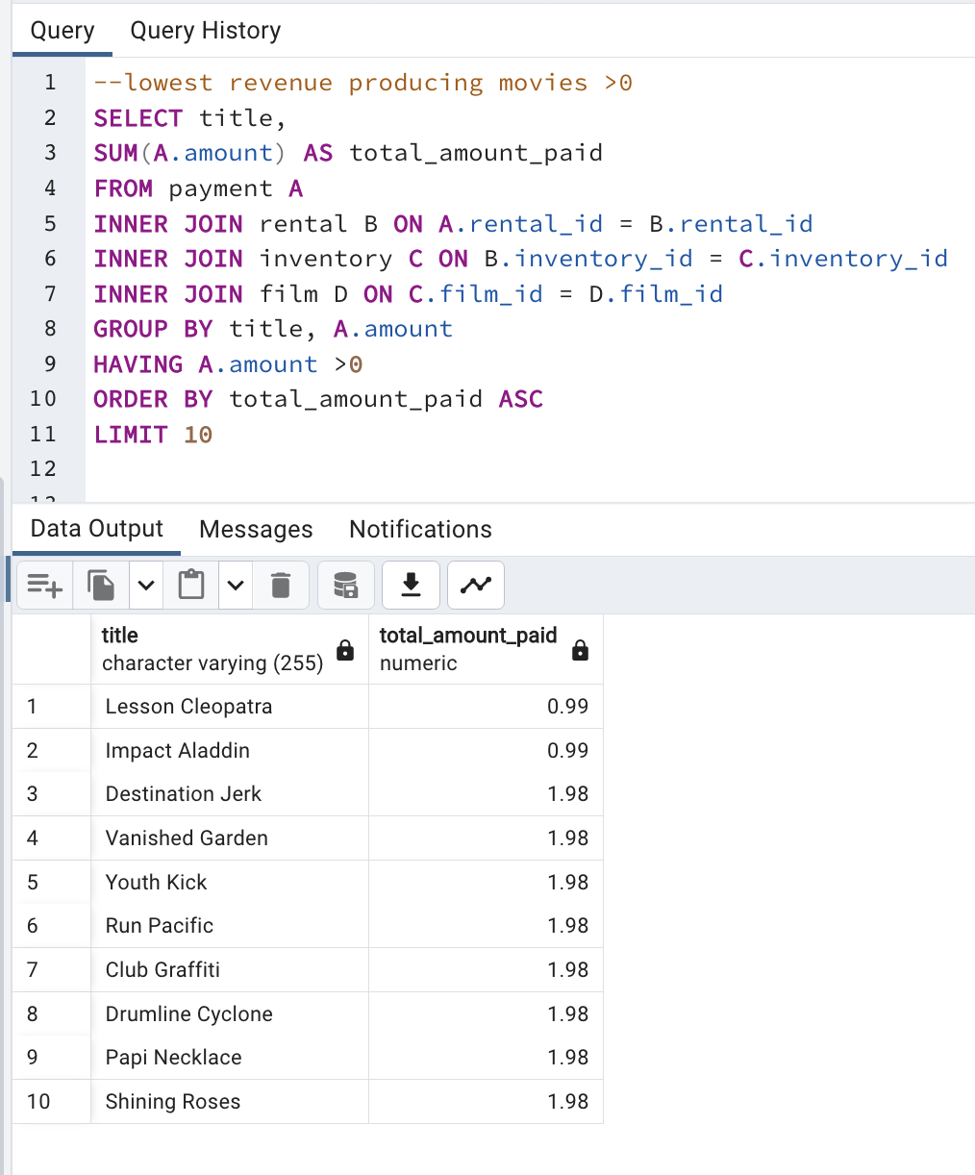
title | total_amount_paid
Lesson Cleopatra | 0.99 | --lowest revenue producing movies >0
Impact Aladdin | 0.99 | SELECT title,
Destination Jerk | 1.98 | SUM(A.amount) AS total_amount_paid
Vanished Garden | 1.98 | FROM payment A
Youth Kick | 1.98 | INNER JOIN rental B ON A.rental_id = B.rental_id
Run Pacific | 1.98 | INNER JOIN inventory C ON B.inventory_id = C.inventory_id
Club Graffiti | 1.98 | INNER JOIN film D ON C.film_id = D.film_id
Drumline Cyclone | 1.98 | GROUP BY title, A.amount
Papi Necklace | 1.98 | HAVING A.amount >0
Shining Roses | 1.98 | ORDER BY total_amount_paid ASC
 |  | LIMIT 10

zero revenue films
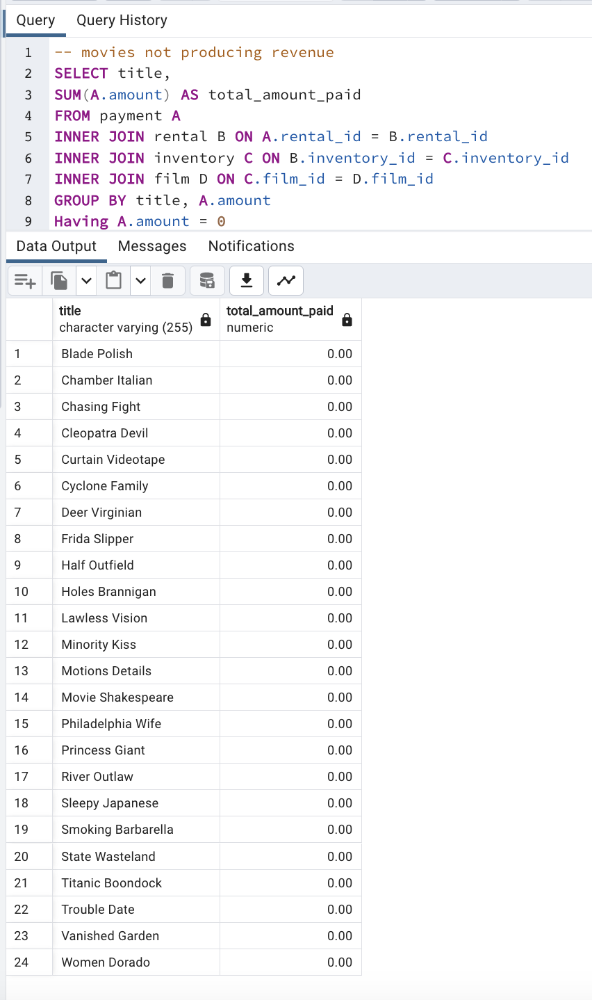
title | total_amount_paid
Blade Polish | 0
Chamber Italian | 0 | movies not producing revenue
Chasing Fight | 0 | SELECT title,
Cleopatra Devil | 0 | SUM(A.amount) AS total_amount_paid
Curtain Videotape | 0 | FROM payment A
Cyclone Family | 0 | INNER JOIN rental B ON A.rental_id = B.rental_id
Deer Virginian | 0 | INNER JOIN inventory C ON B.inventory_id = C.inventory_id
Frida Slipper | 0 | INNER JOIN film D ON C.film_id = D.film_id
Half Outfield | 0 | GROUP BY title, A.amount
Holes Brannigan | 0 | HAVING A.amount =0
Lawless Vision | 0
Minority Kiss | 0
Motions Details | 0
Movie Shakespeare | 0
Philadelphia Wife | 0
Princess Giant | 0
River Outlaw | 0
Sleepy Japanese | 0
Smoking Barbarella | 0
State Wasteland | 0
Titanic Boondock | 0
Trouble Date | 0
Vanished Garden | 0
Women Dorado | 0

rating revenue
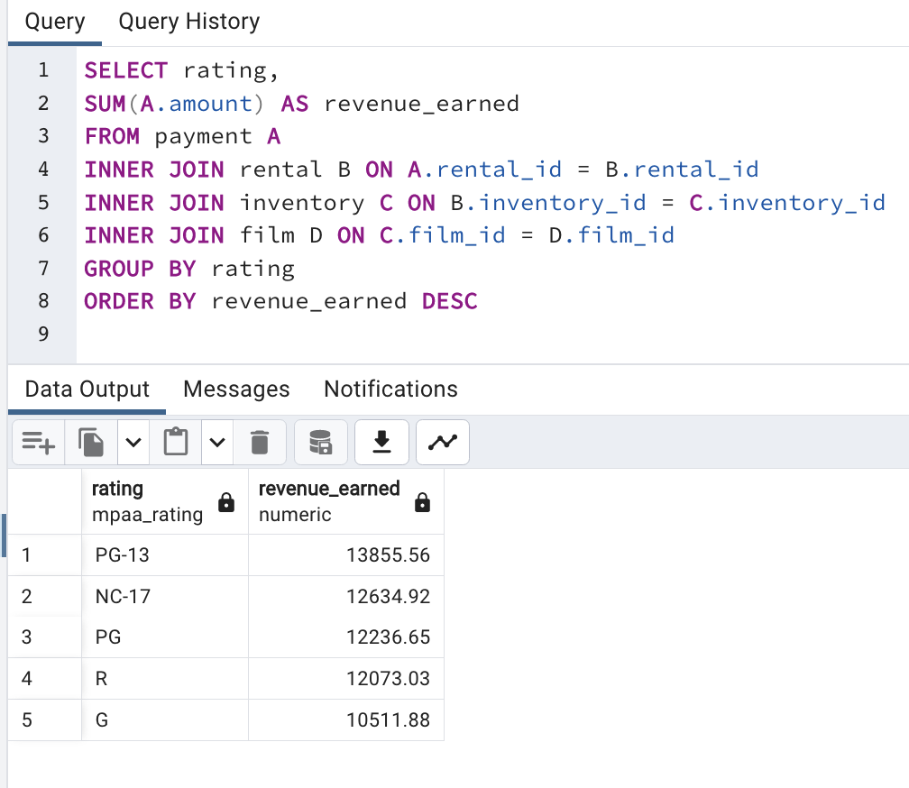
rating | revenue_earned
PG-13 | 13855.56 | SELECT rating,
NC-17 | 12634.92 | SUM(A.amount) AS revenue_earned
PG | 12236.65 | FROM payment A
R | 12073.03 | INNER JOIN rental B ON A.rental_id = B.rental_id
G | 10511.88 | INNER JOIN inventory C ON B.inventory_id = C.inventory_id
 |  | INNER JOIN film D ON C.film_id = D.film_id
 |  | GROUP BY rating
 |  | ORDER BY revenue_earned DESC

country to region
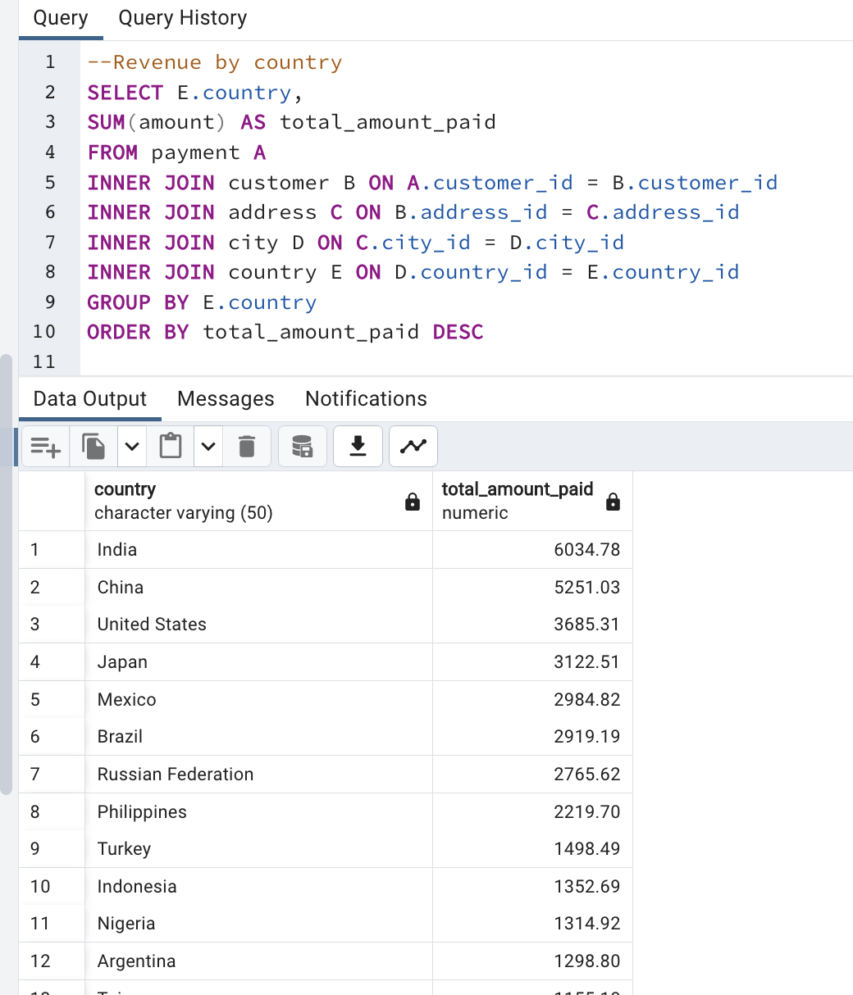
country | total_amount_paid | REGIONS | Region tolal payment amounts
Afghanistan | 67.82 | Asia | Africa | 6130.46
Algeria | 349.18 | Africa | Asia | 23482.48
American Samoa | 47.85 | Oceania | Central America | 3163.38
Angola | 187.55 | Africa | Europe | 10236.76
Anguilla | 99.68 | North America | Middle East | 2869.25
Argentina | 1298.80 | South America | North America | 4995.12
Armenia | 118.75 | Europe | Oceania | 641.46
Australia | null | Oceania | Russia | 2765.62
Austria | 284.30 | Europe | South America | 7027.51
Azerbaijan | 198.53 | Europe
Bahrain | 108.76 | Asia
Bangladesh | 353.19 | Asia
Belarus | 271.36 | Europe
Bolivia | 178.56 | Central America
Brazil | 2919.19 | South America | --RENEUE PER COUNTRY
Brunei | 107.66 | Asia | SELECT D.country, SUM(E.amount) AS total_amount_paid
Bulgaria | 194.52 | Europe | FROM customer A
Cambodia | 179.51 | Asia | INNER JOIN address B ON A.address_id = B.address_id
Cameroon | 186.49 | Africa | INNER JOIN city C ON B.city_id = C.city_id
Canada | 559.70 | North America | INNER JOIN country D ON C.country_id = D.country_id
Chad | 122.72 | Africa | INNER JOIN payment E ON A.customer_id = E.customer_id
Chile | 303.34 | South America | GROUP BY D.country, E.amount
China | 5251.03 | Asia | ORDER BY total_amount_paid DESC
Colombia | 661.54 | South America
Congo, The Democratic Republic of the | 168.58 | Africa
Czech Republic | 132.72 | Europe
Dominican Republic | 304.26 | North America
Ecuador | 369.18 | South America
Egypt | 659.48 | Africa
Estonia | 105.72 | Europe
Ethiopia | 91.77 | Africa
Faroe Islands | 96.76 | Europe
Finland | 78.79 | Europe
France | 334.12 | Europe
French Guiana | 97.80 | South America
French Polynesia | 205.52 | Oceania
Gambia | 114.73 | Africa
Germany | 741.24 | Europe
Greece | 204.54 | Europe
Greenland | 119.72 | Europe
Holy See (Vatican City State) | 146.68 | Europe
Hong Kong | 104.76 | Asia
Hungary | 111.71 | Europe
India | 6034.78 | Asia
Indonesia | 1352.69 | Asia
Iran | 877.96 | Middle East
Iraq | 111.73 | Middle East
Israel | 379.13 | Middle East
Italy | 753.26 | Europe
Japan | 3122.51 | Asia
Kazakstan | 192.51 | Asia
Kenya | 245.49 | Africa
Kuwait | 106.75 | Middle East
Latvia | 249.43 | Europe
Liechtenstein | 99.74 | Europe
Lithuania | 63.78 | Europe
Madagascar | 92.79 | Africa
Malawi | 121.73 | Africa
Malaysia | 330.23 | Asia
Mexico | 2984.82 | Central America
Moldova | 127.66 | Europe
Morocco | 274.35 | Africa
Mozambique | 315.25 | Africa
Myanmar | 179.53 | Asia
Nauru | 143.70 | Oceania
Nepal | 93.83 | Asia
Netherlands | 557.73 | Europe
New Zealand | 85.77 | Oceania
Nigeria | 1314.92 | Africa
North Korea | 107.71 | Asia
Oman | 161.56 | Middle East
Pakistan | 473.84 | Asia
Paraguay | 273.40 | South America
Peru | 407.01 | South America
Philippines | 2219.70 | Asia
Poland | 786.16 | Europe
Puerto Rico | 224.48 | North America
Romania | 218.42 | Europe
Runion | 211.55 | Asia
Russian Federation | 2765.62 | Russia
Saint Vincent and the Grenadines | 64.82 | South America
Saudi Arabia | 452.94 | Middle East
Senegal | 95.76 | Africa
Slovakia | 80.77 | Europe
South Africa | 1069.46 | Africa
South Korea | 527.77 | Asia
Spain | 513.80 | Europe
Sri Lanka | 103.73 | Asia
Sudan | 202.51 | Africa
Sweden | 139.67 | Europe
Switzerland | 248.41 | Europe
Taiwan | 1155.10 | Asia
Tanzania | 322.22 | Africa
Thailand | 401.08 | Asia
Tonga | 64.84 | Oceania
Tunisia | 73.78 | Africa
Turkey | 1498.49 | Europe
Turkmenistan | 126.74 | Asia
Tuvalu | 93.78 | Oceania
Ukraine | 675.53 | Europe
United Arab Emirates | 305.25 | Middle East
United Kingdom | 850.96 | Europe
United States | 3685.31 | North America
Venezuela | 632.43 | South America
Vietnam | 676.45 | Asia
Virgin Islands, U.S. | 121.69 | North America
Yemen | 473.93 | Middle East
Yugoslavia | 233.49 | Europe
Zambia | 121.70 | Africa

 | 61312.04

film table summary numeric
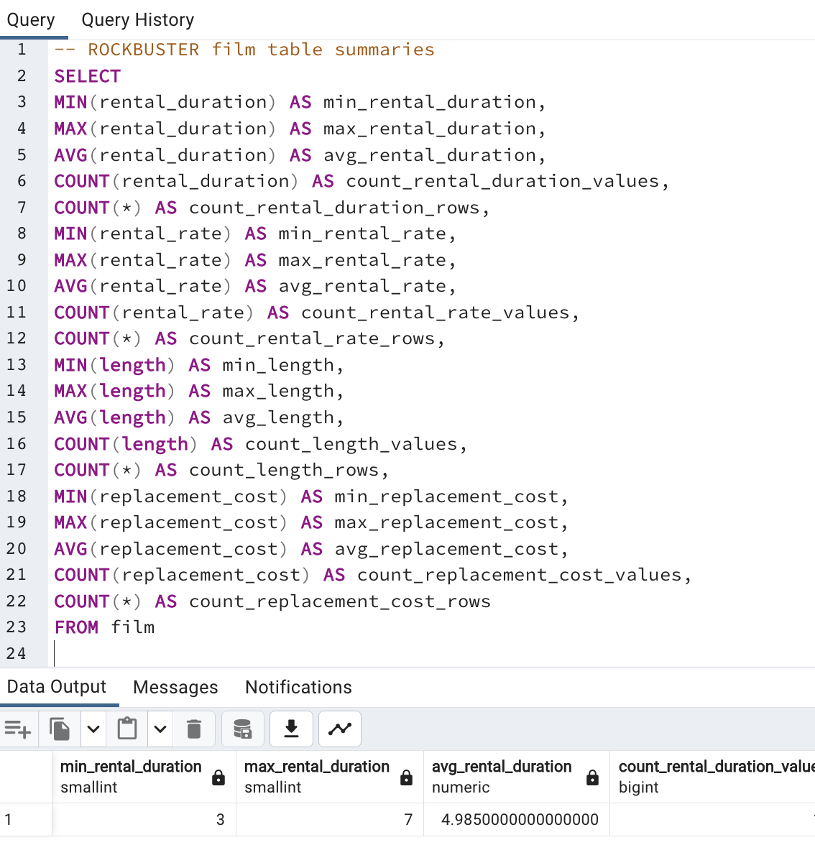
 | rental_duration | rental_rate | film length | replacement_cost
min | 3 | 0.99 | 46 | 9.99
max | 7 | 4.99 | 185 | 29.99
avg | 5 | 2.98 | 115.27 | 19.98
count__values | 1000 | 1000 | 1000 | 1000
count_rows | 1000 | 1000 | 1000 | 1000

 | -- ROCKBUSTER film table summaries
 | SELECT
 | MIN(rental_duration) AS min_rental_duration,
 | MAX(rental_duration) AS max_rental_duration,
 | AVG(rental_duration) AS avg_rental_duration,
 | COUNT(rental_duration) AS count_rental_duration_values,
 | COUNT(*) AS count_rental_duration_rows,
 | MIN(rental_rate) AS min_rental_rate,
 | MAX(rental_rate) AS max_rental_rate,
 | AVG(rental_rate) AS avg_rental_rate,
 | COUNT(rental_rate) AS count_rental_rate_values,
 | COUNT(*) AS count_rental_rate_rows,
 | MIN(length) AS min_length,
 | MAX(length) AS max_length,
 | AVG(length) AS avg_length,
 | COUNT(length) AS count_length_values,
 | COUNT(*) AS count_length_rows,
 | MIN(replacement_cost) AS min_replacement_cost,
 | MAX(replacement_cost) AS max_replacement_cost,
 | AVG(replacement_cost) AS avg_replacement_cost,
 | COUNT(replacement_cost) AS count_replacement_cost_values,
 | COUNT(*) AS count_replacement_cost_rows
 | FROM film

film NON-numeric summary
customer_id_modal_value | store_id_modal_value | irst_name_modal_value | last_name_modal_value | email_modal_value | address_id_modal_value | activebool_modal_value | create_date_features_modal_value | last_update_modal_value | active_modal_value
1 | 1 | Jamie | Abney | aaron.selby@sakilacustomer.org | 5 | TRUE | 2006-02-14 | 2013-05-26 14:49:45 | 1

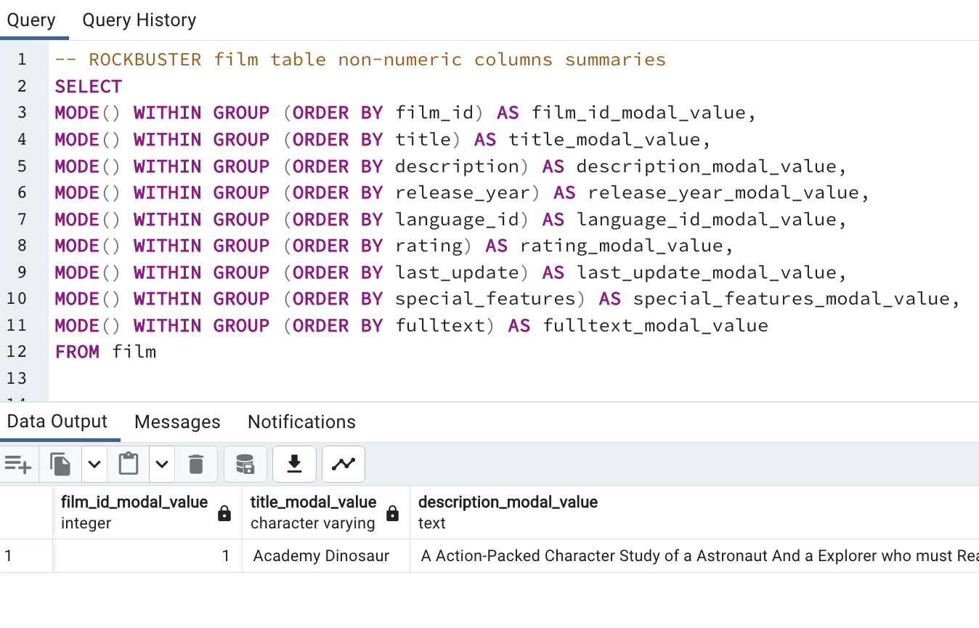
 | -- ROCKBUSTER film table non-numeric columns summaries
 | SELECT
 | MODE() WITHIN GROUP (ORDER BY film_id) AS film_id_modal_value,
 | MODE() WITHIN GROUP (ORDER BY title) AS title_modal_value,
 | MODE() WITHIN GROUP (ORDER BY description) AS description_modal_value,
 | MODE() WITHIN GROUP (ORDER BY release_year) AS release_year_modal_value,
 | MODE() WITHIN GROUP (ORDER BY language_id) AS language_id_modal_value,
 | MODE() WITHIN GROUP (ORDER BY rating) AS rating_modal_value,
 | MODE() WITHIN GROUP (ORDER BY last_update) AS last_update_modal_value,
 | MODE() WITHIN GROUP (ORDER BY special_features) AS special_features_modal_value,
 | MODE() WITHIN GROUP (ORDER BY fulltext) AS fulltext_modal_value
 | FROM film

customer NON-numericcus summary
customer_id_modal_value | store_id_modal_value | irst_name_modal_value | last_name_modal_value | email_modal_value | address_id_modal_value | activebool_modal_value | create_date_features_modal_value | last_update_modal_value | active_modal_value
1 | 1 | Jamie | Abney | aaron.selby@sakilacustomer.org | 5 | TRUE | 2006-02-14 | 2013-05-26 14:49:45 | 1

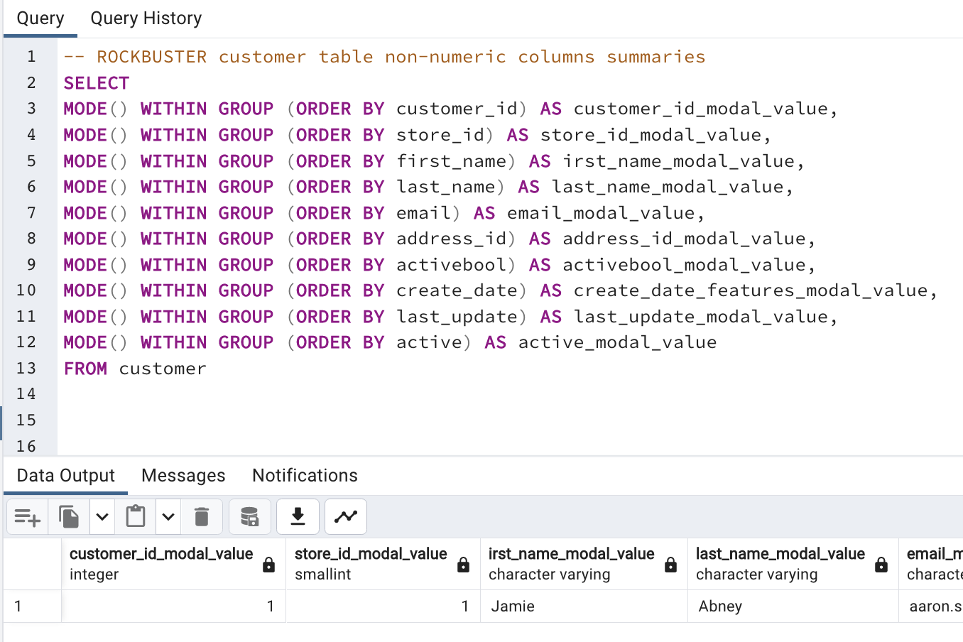
 | -- ROCKBUSTER customer table non-numeric columns summaries
 | SELECT
 | MODE() WITHIN GROUP (ORDER BY customer_id) AS customer_id_modal_value,
 | MODE() WITHIN GROUP (ORDER BY store_id) AS store_id_modal_value,
 | MODE() WITHIN GROUP (ORDER BY first_name) AS irst_name_modal_value,
 | MODE() WITHIN GROUP (ORDER BY last_name) AS last_name_modal_value,
 | MODE() WITHIN GROUP (ORDER BY email) AS email_modal_value,
 | MODE() WITHIN GROUP (ORDER BY address_id) AS address_id_modal_value,
 | MODE() WITHIN GROUP (ORDER BY activebool) AS activebool_modal_value,
 | MODE() WITHIN GROUP (ORDER BY create_date) AS create_date_features_modal_value,
 | MODE() WITHIN GROUP (ORDER BY last_update) AS last_update_modal_value,
 | MODE() WITHIN GROUP (ORDER BY active) AS active_modal_value
 | FROM customer

